Sheet1
Id | Priority | Category | Powtarzalność | Platform, system and version | Subject | Initial condition | Steps to reproduce | Result | Expected result | Screen shot | Comments
form 01 | critical | functional | always | Windows 10 64 – bit, Chrome 67.0.3396.87 (64 – bit) | There is no validation of 'Twój nr tel' field at all | The User has an access to the http://akademiatestowania.pl/testform form | 1. Go to the http://akademiatestowania.pl/testform form page | There is no phone number validation error | Required phone number validation message |  | For now there is a possibility to leave this field empty, put space or even put some not numeric values. 'Twój nr tel.' field should allow to put only the numbers (and maybe '+' sign - depends on requirements)
 |  |  |  |  |  |  | 2. In the 'Imię i nazwisko' field provide some text value
 |  |  |  |  |  |  | 3. In the 'Twój e-mail' field provide any valid e-mail address
 |  |  |  |  |  |  | 4. Leave 'Twój nr tel.' field empty
 |  |  |  |  |  |  | 5. Click the 'Wyślij' button
form 02 | critical | functional | always | Windows 10 64 – bit, Chrome 67.0.3396.87 (64 – bit) | There is possibility to send the form without asking a question in the 'Pytanie' field | The User has an access to the http://akademiatestowania.pl/testform form | 1. Go to the http://akademiatestowania.pl/testform form page | Form has been sent despite the absence of a question | Pytanie' field should be required and there should be a validation error message when this field is empty |  | Sending this form without any question doesn't make sense to me - maybe this is by the requirements which hasn't been provided to me
 |  |  |  |  |  |  | 2. In the 'Imię i nazwisko' field provide some text
 |  |  |  |  |  |  | 3. In the 'Twój e-mail' field provide any valid e-mail address
 |  |  |  |  |  |  | 4. Leave 'Pytanie' field empty
 |  |  |  |  |  |  | 5. Click the 'Wyślij' button
form 03 | critical | functional | always | Windows 10 64 – bit, Chrome 67.0.3396.87 (64 – bit) | There is possibility to check both sex | The User has an access to the http://akademiatestowania.pl/testform form | 1. Go to the http://akademiatestowania.pl/testform form page | Both sex checkboxes are chcecked | Sex chceckboxes section suppose to work like radio button that means the user should be able to chceck only one sex |  | It's not a bug when the application under test is designed for some LGBT organization
 |  |  |  |  |  |  | 2. Check the M sex chceckbox
 |  |  |  |  |  |  | 3. Check the K sex chceckbox
form 04 | trivial | GUI | always | Windows 10 64 – bit, Chrome 67.0.3396.87 (64 – bit) | The 'Płeć' label with the M and K checkboxes are not aligned eachother with when validation message appears | The User has an access to the http://akademiatestowania.pl/testform form | 1. Go to the http://akademiatestowania.pl/testform form page | The 'Płeć' label with the M and K checkboxes are not aligned eachother | Group of the checkboxes with label should be keept together when playing with page responsiveness | 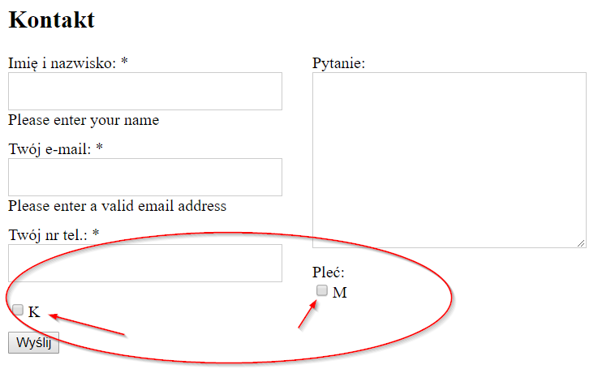
 |  |  |  |  |  |  | 2. Click the 'Wyślij' button

form 05 | trivial | text | always | Windows 10 64 – bit, Chrome 67.0.3396.87 (64 – bit) | Error in the word 'Pleć' | The User has an access to the http://akademiatestowania.pl/testform form | 1. Go to the http://akademiatestowania.pl/testform form page | The 'Pleć' label is incorrectly written | It should be written 'Płeć' | 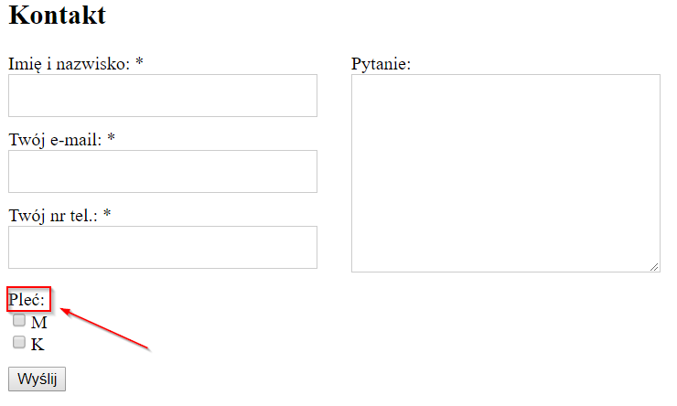

form 06 | critical | functional | always | Windows 10 64 – bit, Chrome 67.0.3396.87 (64 – bit) | Wrong validation of 'Imię i nazwisko' field | The User has an access to the http://akademiatestowania.pl/testform form | 1. Go to the http://akademiatestowania.pl/testform form page | The 'Imię i Nazwisko' field has been validated correctly | Validation message that name and surname is required should be displayed
 |  |  |  |  |  |  | 2. In the 'Imię i nazwisko' field provide space
 |  |  |  |  |  |  | 3. In the 'Twój e-mail' field provide any valid e-mail address
 |  |  |  |  |  |  | 4. Click the 'Wyślij' button

